Sheet1
Row Labels | Sum of Price
Distributed Computing and Artificial Intelligence: 9th International Conference: 151 (Advances in Intelligent and Soft Computing) | $35,829.00
BRENNER & RECTOR'S THE KIDNEY 02 VOL SET | $29,280.00
Webb, MÃ¼ller and Naidich's High-Resolution CT of the Lung | $26,499.96
(ISC)2 CISSP Certified Information Systems Security Professional Official Study Guide & Practice Tests Bundle | $16,518.00
Autism Spectrum Disorder: Bioregenerative Medicine With Stem Cell Therapy | $14,885.00
Grand Total | $123,011.96

Sheet1 (2)
Row Labels | Sum of Rating
Paperback | 55.50%
Kindle Edition | 28.83%
Hardcover | 10.43%
Audible Audiobook | 2.73%
Board book | 2.52%
Grand Total | 100.00%

Sheet1 (3)
Row Labels | Sum of No. of People rated
Children's Books | 22.20%
Romance | 20.75%
Literature & Fiction | 17.42%
Teen & Young Adult | 7.40%
Society & Social Sciences | 6.42%
Fantasy, Horror & Science Fiction | 6.40%
Crime, Thriller & Mystery | 6.14%
Health, Family & Personal Development | 5.78%
Business & Economics | 4.32%
Sports | 3.17%
Grand Total | 100.00%

Sheet1 (4)
Row Labels | Sum of Rating
Children's Books | 6522.4
Romance | 4817.9
Sports | 3145.9
Literature & Fiction | 1765.1
Teen & Young Adult | 1558.6
Computing, Internet & Digital Media | 1459.4
Religion | 1337.4
Grand Total | 20606.7

Sheet1 (5)
Row Labels | Sum of Rating
Blonde beauty cosplay photo collection Vol12 Swimming instructor edition (Japanese Edition) | 50
Floral swimming race suit photo collection of missies Standing pose edition Part2 (Japanese Edition) | 40
Karatedo Magazine JKFan Dec. 2023: Japan Karatedo Fan | 40
Business women volleyball team: Beautiful volleyball player AI gravure photo collection sports (Japanese Edition) | 40
AI beauty photo album Sweaty Fitness 40 pages AI gravure (Japanese Edition) | 37
Grand Total | 207

Sheet1 (6)
Row Labels | Sum of No. of People rated
Kunex It Ends With Us : ''Sometimes The One Who Loves You Is The One Who Hurts You The Most'' | 847152
Fourth Wing: DISCOVER THE INSTANT SUNDAY TIMES AND NUMBER ONE GLOBAL BESTSELLING PHENOMENON!* (The Empyrean) | 829545
Harry Potter and the Philosopher's Stone | 754614
Harry Potter and the Chamber of Secrets | 605430
THE SILENT PATIENT [Paperback] Michaelides, Alex | 583644
VERITY [Paperback] Hoover, Colleen | 540302
Harry Potter and the Prisoner of Azkaban | 522473
Grand Total | 4683160

Sheet1 (7)
Row Labels | Sum of Price
Paperback | $2,113,474.25
Kindle Edition | $741,939.49
Hardcover | $709,383.18
Audible Audiobook | $173,201.00
Board book | $47,425.01
Grand Total | $3,785,422.93

Sheet9
AMAZON BOOK RATINGS 2024
BEST TYPE | PAPERBACK
MAIN GENRE
CHILDREN'S
BOOK
BEST TYPE
PAPAERBACK
SUB GENRE
FANTASY

Main Genre By Ratings Assessment
 | Total
Children's Books | 22.20%
Romance | 20.75%
Literature & Fiction | 17.42%
Teen & Young Adult | 7.40%
Society & Social Sciences | 6.42%
Fantasy, Horror & Science Fiction | 6.40%
Crime, Thriller & Mystery | 6.14%
Health, Family & Personal Development | 5.78%
Business & Economics | 4.32%
Sports | 3.17%
Main Genre By Highiest Rating
 | Total
Children's Books | 6522.4
Romance | 4817.9
Sports | 3145.9
Literature & Fiction | 1765.1
Teen & Young Adult | 1558.6
Computing, Internet & Digital Media | 1459.4
Religion | 1337.4

Title By No. of People Rated
 | Total
Kunex It Ends With Us : ''Sometimes The One Who Loves You Is The One Who Hurts You The Most'' | 847152
Fourth Wing: DISCOVER THE INSTANT SUNDAY TIMES AND NUMBER ONE GLOBAL BESTSELLING PHENOMENON!* (The Empyrean) | 829545
Harry Potter and the Philosopher's Stone | 754614
Harry Potter and the Chamber of Secrets | 605430
THE SILENT PATIENT [Paperback] Michaelides, Alex | 583644
VERITY [Paperback] Hoover, Colleen | 540302
Harry Potter and the Prisoner of Azkaban | 522473
Titles By Rating
 | Total
Blonde beauty cosplay photo collection Vol12 Swimming instructor edition (Japanese Edition) | 50
Floral swimming race suit photo collection of missies Standing pose edition Part2 (Japanese Edition) | 40
Karatedo Magazine JKFan Dec. 2023: Japan Karatedo Fan | 40
Business women volleyball team: Beautiful volleyball player AI gravure photo collection sports (Japanese Edition) | 40
AI beauty photo album Sweaty Fitness 40 pages AI gravure (Japanese Edition) | 37
Type By Best Rating
 | Total
Paperback | 55.50%
Kindle Edition | 28.83%
Hardcover | 10.43%
Audible Audiobook | 2.73%
Board book | 2.52%
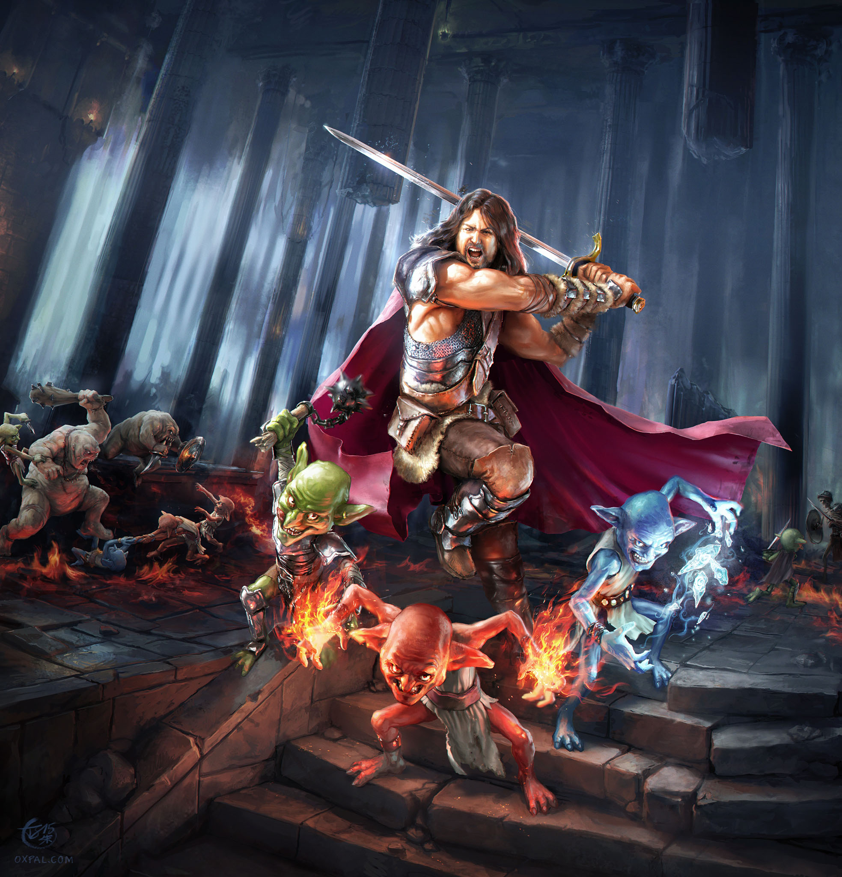



Titles By Amount
 | Total
Distributed Computing and Artificial Intelligence: 9th International Conference: 151 (Advances in Intelligent and Soft Computing) | $35,829.00
BRENNER & RECTOR'S THE KIDNEY 02 VOL SET | $29,280.00
Webb, MÃ¼ller and Naidich's High-Resolution CT of the Lung | $26,499.96
(ISC)2 CISSP Certified Information Systems Security Professional Official Study Guide & Practice Tests Bundle | $16,518.00
Autism Spectrum Disorder: Bioregenerative Medicine With Stem Cell Therapy | $14,885.00
Top 5 Sub Genre By Rating
 | Total
Fantasy | 665.4
Humour | 448
History | 446.2
Biographies & Autobiographies | 444.8
Biology & Life Sciences | 440.1
Best Type By Price
 | Total
Paperback | $2,113,474.25
Kindle Edition | $741,939.49
Hardcover | $709,383.18
Audible Audiobook | $173,201.00
Board book | $47,425.01



This Photo by Unknown Author is licensed under CC BY

This Photo by Unknown Author is licensed under CC BY-NC

This Photo by Unknown Author is licensed under CC BY-SA

This Photo by Unknown Author is licensed under CC BY-SA
This Photo by Unknown Author is licensed under CC BY-SA

This Photo by Unknown Author is licensed under CC BY-SA
This Photo by Unknown Author is licensed under CC BY-SA
This Photo by Unknown Author is licensed under CC BY-SA

This Photo by Unknown Author is licensed under CC BY-SA

Sheet1 (8)
Row Labels | Sum of Rating
Fantasy | 665.4
Humour | 448
History | 446.2
Biographies & Autobiographies | 444.8
Biology & Life Sciences | 440.1
Grand Total | 2444.5

